Sheet1
Cranshaft Deflection

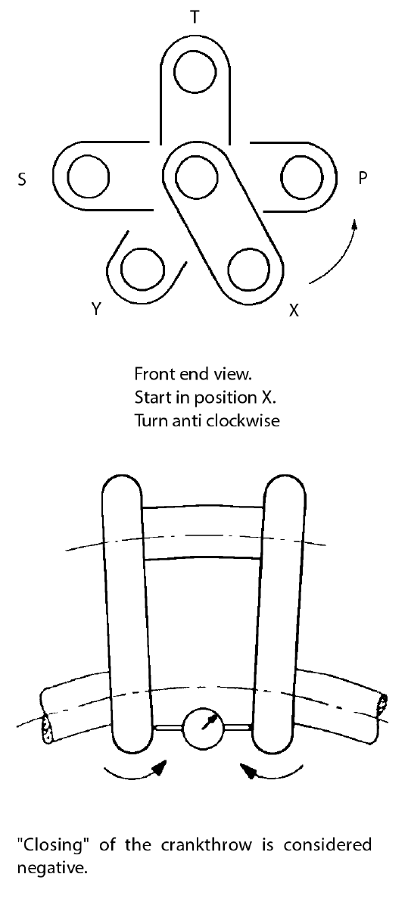
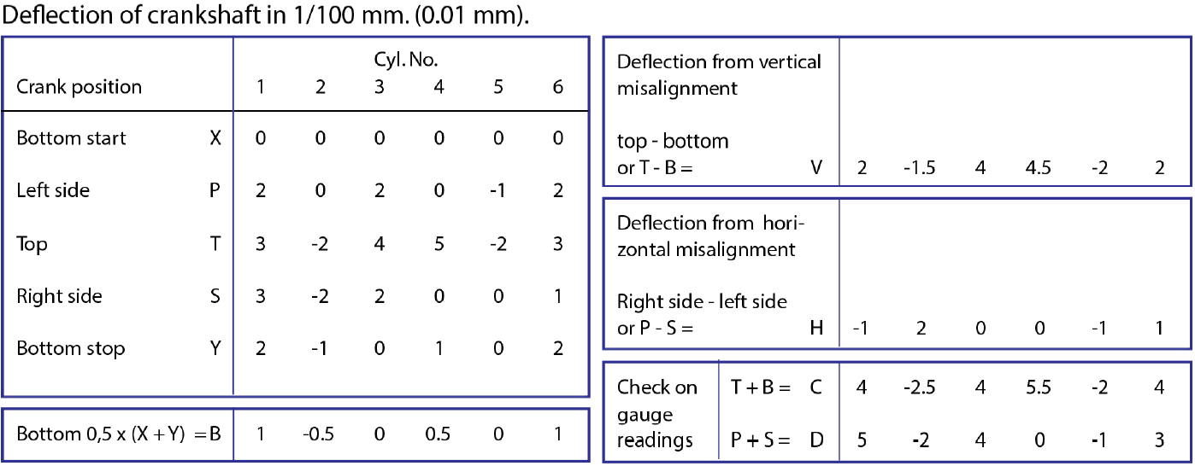
 |  | Cylinder #
Crank Position |  | 1 | 2 | 3 | 4 | 5 | 6
Bottom Start "X" |  | 0.00 | 0.00 | 0.00 | 0.00 | 0.00 | 0.00
Port Side "P" |  | 2.00 | 0.00 | 2.00 | 0.00 | -1.00 | 2.00
Top "T" |  | 3.00 | -2.00 | 4.00 | 5.00 | -2.00 | 3.00
Starboard Side "S" |  | 3.00 | -2.00 | 2.00 | 0.00 | 0.00 | 1.00
Bottom Stop "Y" |  | 2.00 | -1.00 | 0.00 | 1.00 | 0.00 | 2.00
Bottom Total "B" = 0.5*(X+Y) |  | 1.00 | -0.50 | 0.00 | 0.50 | 0.00 | 1.00

Deflection from Vertical Misalignment "V" = (T-B) |  | 2.00 | -1.50 | 4.00 | 4.50 | -2.00 | 2.00

Deflection From Vertical Misalignment "H" = (P-S) |  | -1.00 | 2.00 | 0.00 | 0.00 | -1.00 | 1.00

Gauge Readings "C" = (T+B) |  | 4.00 | -2.50 | 4.00 | 5.50 | -2.00 | 4.00
Gauge Readings "D" = (P+S) |  | 5.00 | -2.00 | 4.00 | 0.00 | -1.00 | 3.00

 | Inputs in 1/100mm (0.01mm)
 | Automatically Calculated

Vertical Misalignment in 1/100mm
1 | 2.00
2 | -1.50
3 | 4.00
4 | 4.50
5 | -2.00
6 | 2.00

Horizontal Misalignment in 1/100mm
1 | -1.00
2 | 2.00
3 | 0.00
4 | 0.00
5 | -1.00
6 | 1.00

