PID TUNNING
PID CONTROLLER TUNNING PARAMETERS SIMULATOR

PID CONTROLLER
C + 1/Is + Ds
PROCESS
K/(1+Ts) * e^(-Ls)
SETPOINT
SP
+
-
OUTPUT
MV
PROCESS VALUE
PV
PV
InstrumentationTools.com

 |  | ENTER BELOW PARAMETERS FOR SIMULATION
 | The above block diagram shows the basic closed loop PID controller. The theoritical formulas for PID controller & Process are shown in picture.

 | (All times in seconds)
PID Controller Tunning Parameters Simulation
 | Process Value | Set Point | Output
-10 | 0 | 0 | 0
-9 | 0 | 0 | 0
-8 | 0 | 0 | 0
-7 | 0 | 0 | 0
-6 | 0 | 0 | 0
-5 | 0 | 0 | 0
-4 | 0 | 0 | 0
-3 | 0 | 0 | 0
-2 | 0 | 0 | 0
-1 | 0 | 0 | 0
0 | 0 | 1 | 1.3
1 | 0 | 1 | 0.5
2 | 0 | 1 | 0.7
3 | 0 | 1 | 0.9
4 | 0 | 1 | 1.1
5 | 0 | 1 | 1.3
6 | 0.235650021 | 1 | 1.1936549727
7 | 0.28356854262 | 1 | 1.5198809114
8 | 0.35905475929 | 1 | 1.6129536428
9 | 0.4571114957 | 1 | 1.6891551503
10 | 0.57364741073 | 1 | 1.744292898
11 | 0.70531279759 | 1 | 1.774934328
12 | 0.79383421591 | 1 | 1.8504593115
13 | 0.92544415363 | 1 | 1.8091209676
14 | 1.050068481 | 1 | 1.7936304491
15 | 1.1659152403 | 1 | 1.7576402932
16 | 1.2707573227 | 1 | 1.7040092972
17 | 1.3621491088 | 1 | 1.6358905932
18 | 1.4506647315 | 1 | 1.539782248
19 | 1.5156418235 | 1 | 1.4536947048
20 | 1.5660326123 | 1 | 1.3500354067
21 | 1.6007651923 | 1 | 1.242067319
22 | 1.6194801734 | 1 | 1.1323173851
23 | 1.6224548779 | 1 | 1.0232692158
24 | 1.6074688725 | 1 | 0.92123475159
25 | 1.5795943449 | 1 | 0.82099185757
26 | 1.5379823691 | 1 | 0.73129402964
27 | 1.4843420708 | 1 | 0.65181796772
28 | 1.4205308211 | 1 | 0.58426387986
29 | 1.3485195091 | 1 | 0.5299611716
30 | 1.2710659229 | 1 | 0.48893561983
31 | 1.189481336 | 1 | 0.46332881198
32 | 1.106426068 | 1 | 0.45181980627
33 | 1.0240196 | 1 | 0.45460773307
34 | 0.94430541181 | 1 | 0.47102578977
35 | 0.86919754342 | 1 | 0.50009074809
36 | 0.8002677509 | 1 | 0.5407521013
37 | 0.73919108318 | 1 | 0.59116842662
38 | 0.68709950823 | 1 | 0.64997258971
39 | 0.64495589923 | 1 | 0.71524780481
...
 |  | PROCESS VALUE SIMULATION

 |  | Process Parameters
 |  | Gain (K) | 1
 |  | Time Constant (T) | 5
 |  | Delay (L) | 5

 |  | PID CONTROLLER SIMULATION

 |  | PID Controller Parameters
 |  | Proportional Gain (C) | 0.1
 |  | Integral (I) | 5
 |  | Derivative (D) | 1

 |  | COLOUR INDEX

 |  | Process Variable Parameters

 |  | PID Controller Parameters

 | Note:
 | 1. Enter different values and simulate the process variable and observe the PID controller response for the respective tunning parameters.
 | 2. As the above time scale was created for a period of 5 minute so range of parameters to be entered are limited.

PID Controller Theory
 | PID CONTROLLER & TUNNING THEORY
 | Anatomy of a Feedback Control System

 | Here is the classic block diagram of a process under PID Control.
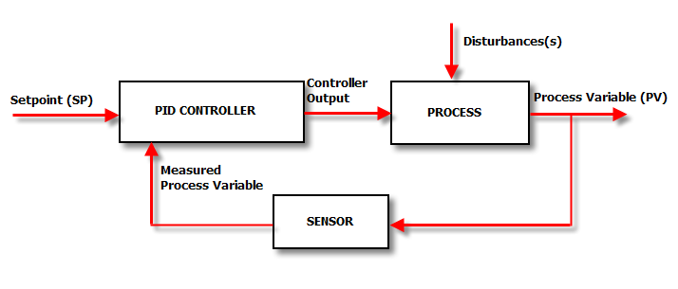

 | What’s going on this diagram?

 | The Setpoint (SP) is the value that we want the process to be.

 | For example, the temperature control system in our house may have a SP of 22°C. This means that

 | “We want the heating and cooling process in our house to achieve a steady temperature of as close to 22°C as possible”

 | The PID controller looks at the setpoint and compares it with the actual value of the Process Variable (PV). Back in our house, the box of electronics that is the PID controller in our Heating and cooling system looks at the value of the temperature sensor in the room and sees how close it is to 22°C.

 | If the SP and the PV are the same – then the controller is a very happy little box. It doesn’t have to do anything; it will set its output remain same value.

 | However, if there is a disparity between the SP and the PV we have an error and corrective action is needed. In our house this will either be cooling or heating depending on whether the PV is higher or lower than the SP respectively.

 | Let’s imagine the temperature PV in our house is higher than the SP. It is too hot. The air-con is switched on and the temperature drops.

 | The sensor picks up the lower temperature, feeds that back to the controller, the controller sees that the “temperature error” is not as great because the PV (temperature) has dropped and the air con is turned down a little.

 | This process is repeated until the house has cooled down to 22°C and there is no error.

 | Then a disturbance hits the system and the controller has to kick in again.

 | In our house the disturbance may be the sun beating down on the roof, raising the temperature of the air inside.

 | So that’s a really, really basic overview of a simple feedback control system. Sounds dead simple eh?

 | Understanding the controller

 | Unfortunately, in the real world we need a controller that is a bit more complicated than the one described above, if we want top performance form our loops. To understand why, we will be doing some “thought experiments” where we are the controller.

 | When we have gone through these thought experiments we will appreciate why a PID algorithm is needed and why/how it works to control the process.

 | We will be using the analogy of changing lanes on a freeway on a windy day. We are the driver, and therefore the controller of the process of changing the car’s position.

 | Here’s the Block Diagram we used before, with the labels changed to represent the car-on-windy-freeway control loop.
 | 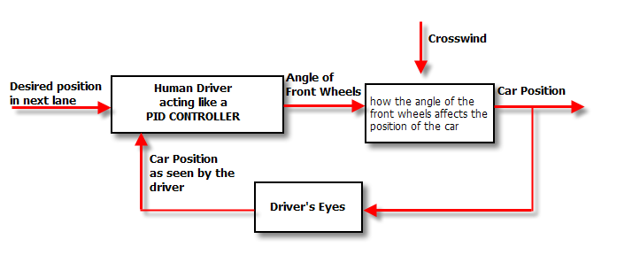
 | Notice how important closing the feedback loop is. If we removed the feedback loop we would be in “open loop control”, and would have to control the car’s position with our eyes closed!

 | Thankfully we are under “Closed loop control” -using our eyes for position feedback.

 | As we saw in the house-temperature example the controller takes the both the PV and SP signals, which it then puts through a black box to calculate a controller output. That controller output is sent to an actuator which moves to actually control the process.

 | We are interested here in what the controller actually does, which is that it applies 1, 2 or 3 calculations to the SP and Measured PV signals. These calculations, called the “Modes of Control” include:
 | Proportional (P)
 | Integral (I)
 | Derivative (D)

 | Under The Hood of The PID Controller

 | Here’s a simplified block diagram of what the PID controller does:

 | 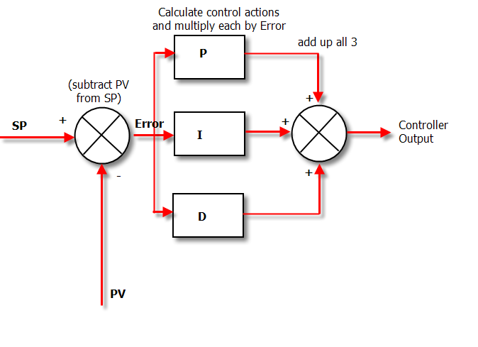
 | It is really very simple in operation. The PV is subtracted from the SP to create the Error. The error is simply multiplied by one, two or all of the calculated P, I and D actions (depending which ones are turned on). Then the resulting “error x control actions” are added together and sent to the controller output.

 | These 3 modes are used in different combinations:

 | P – Sometimes used
 | PI - Most often used
 | PID – Sometimes used
 | PD – rarely used but can be useful for controlling servomotors.

 | Derivatives

 | Go into the control room of a process plant and ask the operator:
 | “What’s the derivative of reactor 4’s pressure?”

 | And the response will typically be:
 | “Bugger off smart arse!”

 | However go in and ask:
 | “What’s the rate of change of reactor 4’s pressure?”

 | And the operator will examine the pressure trend and say something like:
 | “About 5 PSI every 10 minutes”

 | He’s just performed calculus on the pressure trend! (Don’t tell him though or he’ll want a pay raise)

 | So derivative is just a mathematical term meaning rate-of-change. That’s all there is to it.

 | Integratives

 | Is it any wonder that so many people run scared from the concept of integrals and integration, when this is a typical definition?

 | The integral of a signal is the sum of all the instantaneous values that the signal has been, from whenever you started counting until you stop counting.

 | So if you are to plot your signal on a trend and your signal is sampled every second, and let’s say you are measuring temperature. If you were to superimpose the integral of the signal over the first 5 seconds – it would look like this:

 | 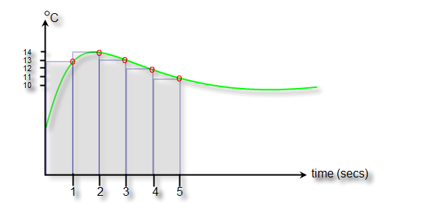
 | The green line is your temperature, the red circles are where your control system has sampled the temperature and the blue area is the integral of the temperature signal. It is the sum of the 5 temperature values over the time period that you are interested in. In numerical terms it is the sum of the areas of each of the blue rectangles:

 | (13 x 1)+(14x1)+(13x1)+(12x1)+(11x1) = 63 °C s

 | The curious units (degrees Celsius x seconds) are because we have to multiply a temperature by a time – but the units aren’t important.

 | As you can probably remember from school –the integral turns out to be the area under the curve. When we have real world systems, we actually get an approximation to the area under the curve, which as you can see from the diagram gets better, the faster we sample.

 | Proportional control

 | Here’s a diagram of the controller when we have enabled only P control:
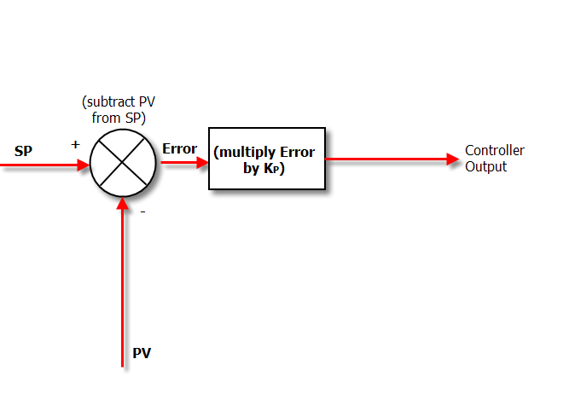
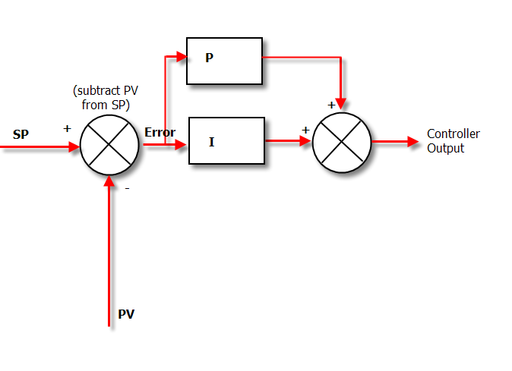

 | In Proportional Only mode, the controller simply multiplies the Error by the Proportional Gain (Kp) to get the controller output.

 | The Proportional Gain is the setting that we tune to get our desired performance from a “P only” controller.

 | A match made in heaven: The P + I Controller

 | If we put Proportional and Integral Action together, we get the humble PI controller. The Diagram below shows how the algorithm in a PI controller is calculated.

 | The tricky thing about Integral Action is that it will really screw up your process unless you know exactly how much Integral action to apply.

 | Adjusting the Integral Action

 | The way to adjust how much Integral Action you have is by adjusting a term called “minutes per repeat”. Not a very intuitive name is it?

 | So where does this strange name come from? It is a measure of how long it will take for the Integral Action to match the Proportional Action.

 | In other words, if the output of the proportional box on the diagram above is 20%, the repeat time is the time it will take for the output of the Integral box to get to 20% too.

 | And the important point to note is that the “bigger” integral action, the quicker it will get this 20% value. That is, it will take fewer minutes to get there, so the “minutes per repeat” value will be smaller.

 | In other words the smaller the “minutes per repeat” is the bigger the integral action.

 | To make things a bit more intuitive, a lot of controllers use an alternative unit of “repeats per minute” which is obviously the inverse of “minutes per repeat”.

 | The nice thing about “repeats per minute” is that the bigger it is - the bigger the resulting Integral action is.

 | Derivative Action – predicting the future

 | OK, so the combination of P and I action seems to cover all the bases and do a pretty good job of controlling our system. That is the reason that PI controllers are the most prevalent. They do the job well enough and keep things simple. Great.

 | But engineers being engineers are always looking to tweak performance.

 | They do this in a PID loop by adding the final ingredient: Derivative Action.

 | So adding derivative action can allow you to have bigger P and I gains and still keep the loop stable, giving you a faster response and better loop performance.

 | If you think about it, Derivative action improves the controller action because it predicts what is yet to happen by projecting the current rate of change into the future. This means that it is not using the current measured value, but a future measured value.

 | The units used for derivative action describe how far into the future you want to look. i.e. If derivative action is 20 seconds, the derivative term will project the current rate of change 20 seconds into the future.

 | The big problem with D control is that if you have noise on your signal (which looks like a bunch of spikes with steep sides) this confuses the hell out of the algorithm. It looks at the slope of the noise-spike and thinks:

 | “Holy crap! This process is changing quickly, lets pile on the D Action!!!”

 | And your control output jumps all over the place, messing up your control.

 | Of course you can try and filter the noise out, but my advice is that, unless PI control is really slow, don’t worry about switching D on.

 | Finally understand the knowledge of P, I & D Controllers Philosophy and apply the same to your process requirement and tune the controllers with maximum bumpless control.

 | Happy Learning
 | S Bharadwaj Reddy

Simulator Theory
Modelling the Process

To use the simulator, we need a model of the process. Here we are simulating the process variable response with a standard equation.

Most chemical processes fall into one of 2 categories - first order process with dead time (FOPDT) and integrating processes with dead time.

An FOPDT process is characterised by 3 parameters:

1. Process Gain - the ratio of the change in process variable to the ratio of the change in manipulated variable

2. Time constant - which measures the speed of response

3. Dead time - time between moving the manipulated variable and start of the process response

One of the most common ways of obtaining these parameters is by doing a step test. To do this, wait for the process to be steady and then step the Manipulated Variable (MV). The process variable (PV) will move as shown below.

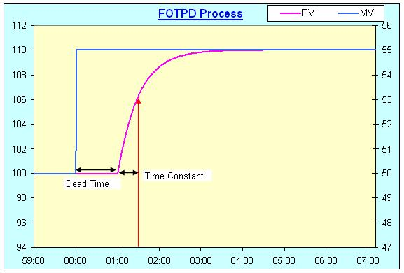

Calculate the parameters as follows:

Dimensionless Gain = (Change in PV/PV range)/(Change in MV/MV Range)

Time constant = Time taken for the PV to change by 63.2% of the final change

Dead time = Time for the PV to start moving after the change in the MV

For the step response shown in the figure above, Dimensionless Gain = (10/200)/(5/100), where PV range = 200 units and MV range = 100 units

Time constant = 30 sec

Dead time = 60 sec

Key in these parameters into the simulator and study the effects of changing the tuning parameters on the response of the system.

The Response

The response of a delay free first order system is described by:

Change in PV = Process gain x (1 - exp(-Time/Time Constant))x Change in MV

Since the final change in PV = Process gain x Change in MV, this equation can be written as

Change in PV = Final Change in PV x (1 - exp(-Time/Time Constant))

At time = time constant,

Change in PV = (1 - exp(-1)) x Final Change in PV = 0.632 x Final Change in PV or 63.2% of the final change in the PV

Typical process values

In a chemical process, flow loops are often the fastest, with gains ranging from 1 to 10, time constant ranging from a few seconds to a couple of minutes and a few seconds of dead time.

Temperature loops are usually much slower with both dead time and response time in the range of a few minutes.

Often, the slowest loops are online analyzer loops, these often have a dead time half an hour or more.

How to use simulator

Here the process is simulated by the process gain, time constant and dead. The PID controller has 3 parameters: gain, integral and derivative. Key in these values into the appropriate cells. If the integral time is keyed in as 0, the integral term is ignored.

The response to a step change in the set point is displayed in the chart.

The screenshot below shows an example of the inputs and the output chart.
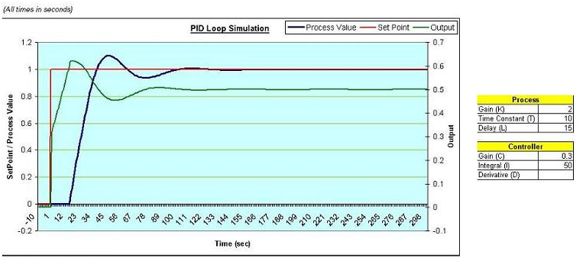

The calculations required for the simulation are done on Sheet2. Defined Formulae are used in the computation.

The first order process is calculated using a difference equation, given by:

Process Value = b x (Output at time offset by delay time) - a x Last PV; where
a = - exp ( -1 / Process Time Constant) and
b = Process Gain x (1 + a)

The error is calculated by taking the difference between the PV and SP values. The error values are accumulated in column F for the integral term calculation and the derivative term is calculated by taking the difference between the current error and the last error. The PID calculation determines the next output value. The PID calculation is:

Next output = Controller Gain x error + Accumulated error / Integral time + Derivative x (Current error - Previous error)

Note that this excel file simulates an "academic" version of the PID controller. PID controllers used in industry are different from this version. This simulator controller gains, Process gains and used calculation formulae are theoretical only. The practical PID controller will differ from this simulator and this simulation will only used to understand the PID controller tunning parameters effect on the manipulated variable with respect to error value.

Setting the PID parameters (controller gain, integral and derivative times) to achieve a desired process response is known as loop tuning. A well tuned loop takes the process value to the set point within the desired time frame, removes disturbances and can tolerate some variations or uncertainities in the process (i.e., it is robust).

There are 2 aspects of loop tuning - performance and robustness. Performance means that when the set point is changed, the controller should bring the process value to the new set point within the desired time. Robustness means that the controller should maintain control even if there are changes to the process. Performance is often given importance, while robustness is ignored.

Often measures of disturbances or uncertainities or even desired settling times are difficult to get and the control engineer has to have a feel for the process to tune the loop correctly.

For this reason, loop tuning is considered both an art and a science.

While the art portion of tuning is developed with experience.

Happy Learning
S Bharadwaj Reddy

